精選百科
Wiley 精選百科書籍
封面 | 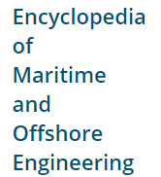 |  | 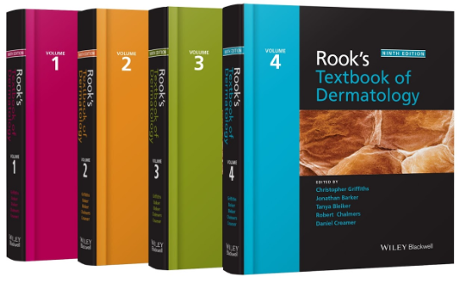 | 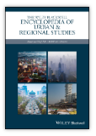
Tiltle | Encyclopedia of Maritime and Offshore Engineering | Encyclopedia of Computational Mechanics | Rook's Textbook of Dermatology | The Wiley Blackwell Encyclopedia of Urban and Regional Studies
URL | https://onlinelibrary.wiley.com/doi/book/10.1002/9781118476406 | https://onlinelibrary.wiley.com/doi/book/10.1002/9781119176817 | https://onlinelibrary.wiley.com/doi/book/10.1002/9781118441213 | https://onlinelibrary.wiley.com/doi/book/10.1002/9781118568446
封面 | 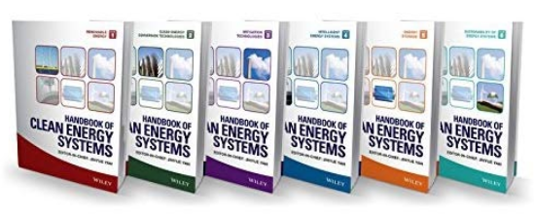 |  | 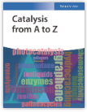 | 
Tiltle | Handbook of Clean Energy Systems | Handbook of Child Psychology and Developmental Science | Catalysis from A to Z: A Concise Encyclopedia | Mechanical Engineer's Handbook
URL | https://onlinelibrary.wiley.com/doi/book/10.1002/9781118991978 | https://onlinelibrary.wiley.com/doi/book/10.1002/9781118963418 | https://onlinelibrary.wiley.com/doi/book/10.1002/9783527809080 | https://onlinelibrary.wiley.com/doi/book/10.1002/9781118985960
封面 | 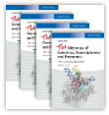 |  | 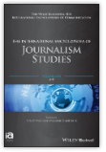 | 
Tiltle | The Dictionary of Genomics, Transcriptomics and Proteomics | Encyclopedia of Physical Organic Chemistry | The International Encyclopedia of Journalism Studies | The International Encyclopedia of Interpersonal Communication
URL | https://onlinelibrary.wiley.com/doi/book/10.1002/9783527678679 | https://onlinelibrary.wiley.com/doi/book/10.1002/9781118468586 | https://onlinelibrary.wiley.com/doi/book/10.1002/9781118841570 | https://onlinelibrary.wiley.com/doi/book/10.1002/9781118540190

